Appendices
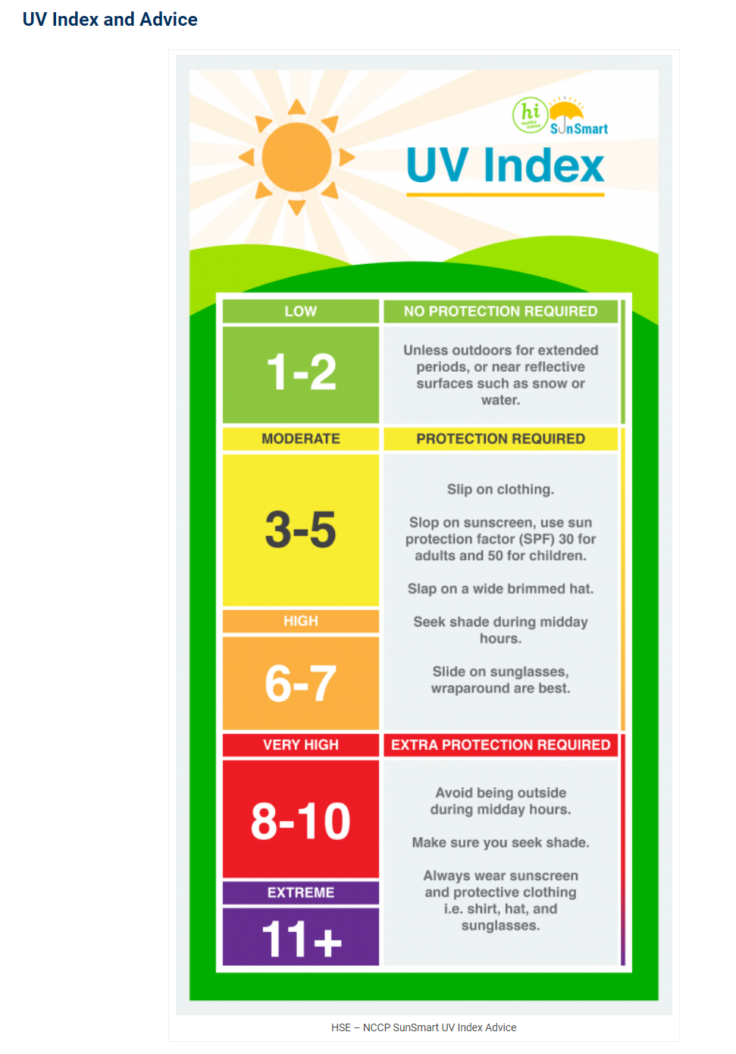
www.met.ie/uv-index
Appendix 1 – UV Index
UV | UV | UV | UV | UV |  | UV | UV | UV | UV | UV | UV
INDEX | INDEX | INDEX | INDEX | INDEX |  | INDEX | INDEX | INDEX | INDEX | INDEX | INDEX
1 | 2 | 3 | 4 | 5 |  | 6 | 7 | 8 | 9 | 10 | 11

Adapted from: www.who.int.uv / www.bccancer.bc.ca

Appendix 2 – Photosensitising substances Table 1: Examples of common medications that cause photosensitivity5
Medications |  |  |  |  | Examples
Antibiotics |  |  |  |  | - Tetracyclines - Fluoroquinolones (e.g ciprofloxacin) - Sulfonamides
Nonsteroidal anti-inflammatory drugs (e.g Nurofen & Voltaren) |  |  |  |  | - Ibuprofen - Naproxen - Ketoprofen - Celecoxib
Diuretics (water pills) |  |  |  |  | - Frusemide - Bumetanide - Hydrochlorothiazide
Retinoids (skin creams) |  |  |  |  | - Isotretinoin - Acitretin
Hypoglycaemics (diabetic medication) |  |  |  |  | - Sulfonylureas (e.g glipizide, glyburide)
Antipsychotics |  |  |  |  | - Phenothiazines (e.g chlorpromazine, fluphenazine) - Thioxanthenes (e.g chlorprothixene)
PDT Pro-photosensitisers (cancer treatment) |  |  |  |  | - 5-aminolevulinic acid - Methyl-5-aminolevulinic acid - Photofrin
Targeted therapies (cancer treatment, including chemotherapy) |  |  |  |  | - Vemurafenib (50%) - Dabrafenib - Imatinib - Vandetanib - Fluorouracil
Other drugs (heart medication, blood pressure medication, antifungal medication) |  |  |  |  | - Amiodarone - Hydroxychloroquine - Diltiazem - Enalapril - Quinine - Dapsone - Quinidine - Voriconazole
Table 2: Common substances that cause photosensitivity6
Coal Tar and derivatives
anthracene |  |  | phenanthrene |  |  |  | pitch |  |  | creosote
Dyes
Acridine |  |  | fluorescin |  |  |  | bromofluorescein |  |  | Methylene blue
eosine |  |  | rhodamine |  |  |  | erythrocin |  |  | Rose bengal
Chlorinated hydrocarbons
chlorobenzols |  |  | triphenyls |  |  |  | diphenyls
Plants
bergamot |  |  | fennel |  |  |  | Bind weed |  |  | fig
buttercup |  |  | lemon |  |  |  | chrysanthemum |  |  | lime
dill |  |  | St. John’s Wort
References 1. National Cancer registry. Cancer incidence projections for Ireland 2020-2045. Cork: NCRI; 2019. 2. International Agency for Research on cancer. Radiation Volume 100D; A review of human carcinogens. Lyon: IARC: 2009. 3. Skin Cancer Prevention Plan (2019-2022). Department of Health, 2019. 4. CAREX Canada. Occupational Exposure Estimate for Solar UV Radiation. (2018) 5. Dermnet New Zealand 6. Safe Work Australia. Guide on Exposure to Solar Ultraviolet radiation (UVR), 2013. 7. Skin cancer and outdoor work. A work health and safety guide. Cancer Council Victoria, 2018.

