INSTRUCTIONS
Timesheet Completion Instructions:

1. Please read the UCC Timesheet Policy prior to completing a timesheet, this can be found at https://www.ucc.ie/en/financeoffice/research/

2. Enter Your Name and the name of your supervisor in cells C7 & C9 of tab named "JAN XXXX". This will then be pre-populated in the same cells for each month going forward for the remainder of the year.

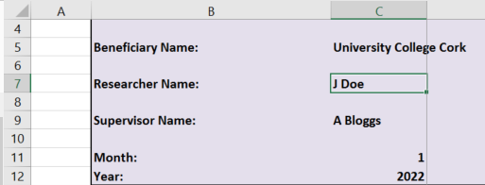

 | 1

3. Enter hours worked in each weekday, noting that weekdays are greyed out in the template.

4. Use the tables as per the "Summary" worksheet to track year to date hours reported.

5. UCC standard annual productive hours for full time staff members is 1,720 hours. This standard should be pro-rated where a member of staff is contracted to work less than full time hours.

6. This timesheet template should be used for all funding agencies.

7. This timesheet has been set up to accommodate a researcher working up to 3 projects. If you are working on more than 3 projects in a given calendar year then please insert rows from row 30 to accommodate same ensuring that you update the formula in the "Total Hours - All Research Projects" row accordingly. If you need any support in doing so contact kevin.goggin@ucc.ie.

