Single Module Mapping
Map Your Module to the 17 Sustainable Development Goals (SDGs)

Use this self-evaluation tool to examine the extend to which you are teaching the SDGs your modules
Directions:
A - Look through the list of SDG in the table below and pick the SDG that most aligns with your module content. Click on any of the goals to launch a detailed description in your browser which includes specific SDG Targets.
B - Enter a score between 0 to 5 in the blue shaded area of the table below where:
0 = no coverage
1 = indirectly or unknowlingly including topics related to the SDG
2 = provides insight into the SDG from the perspective of One's Own Discipline
3 = uses inter- or transdisciplinary approach to address at least one SDG Target
4 = assessment of SDG knowledge in relation to module and/or programme Learning Outcomes
5 = uses Action Oriented Pedagogies related to SDGs and/or Community Outreach
C - If other SDGs receive a secondary attention in your module, then score as in step B
D - View your spiky radar graphs below. The first graph displays all 17 SDGs while the second displays your top score in the three SDG pillars.
E - Lastly, consider questions in the reflection box below the graph

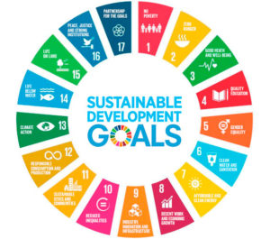
INPUT DATA HERE
Individual SDGs (click link for more info) | SDG Pillar | Score (0-5)
1: No Poverty | Social | 0
2: Zero Hunger | Social | 0
3: Good Health and Well-being | Social | 0
4: Quality Education | Social | 0
5: Gender Equality | Social | 0
6: Clean Water and Sanitation | Environment | 0
7: Affordable and Clean Energy | Social | 0
8: Decent Work and Economic Growth | Economy | 0
9: Industry, Innovation and Infrastructure | Economy | 0
10: Reduced Inequality | Economy | 0
11: Sustainable Cities and Communities | Social | 0
12: Responsible Consumption and Production | Economy | 0
13: Climate Action | Environment | 0
14: Life Below Water | Environment | 0
15: Life on Land | Environment | 0
16: Peace & Justice Strong Institutions | Social | 0
17: Partnerships to achieve SDGs | Social | 0

 | VIEW RESULTS IN THE GRAPHS BELOW
[Click Here to Enter Your Module Name]

THIS DATA TABLE AUTOMATICALLY FILLS
The SDG Pillars | High Score (0-5)
Environment | 0.00
Society | 0.00
Economy | 0.00

[Click Here to Enter Your Module Name]

Reflection on the Tool
1 - Did you identify at least one SDG and/or SDG Target covered in your module? Is that topic introduced in the context of the wider discipline or societal need?
2- Do you inadvertently cover concepts expressed by the SDGs? If so, how could you signpost those topics to increase student understanding of the SDGs and sustainability literacy?
3 - Do you elaborate on the interconnected nature of the SDGs? Was this used as a gateway to inter- or transdisciplinary discussion? Could you include a guest lecturer in your module?
4 - Do you cover SDGs from more than one SDG Pillars as displayed in the second graph? If so, do you make students aware of this linkage? Do you discuss in terms of transdisciplinarity? (see figure below)
5 - How might your further enrich your module with treatment of the SDGs such as discussions, group projects, assessments, etc to fulfil Learning Outcomes?

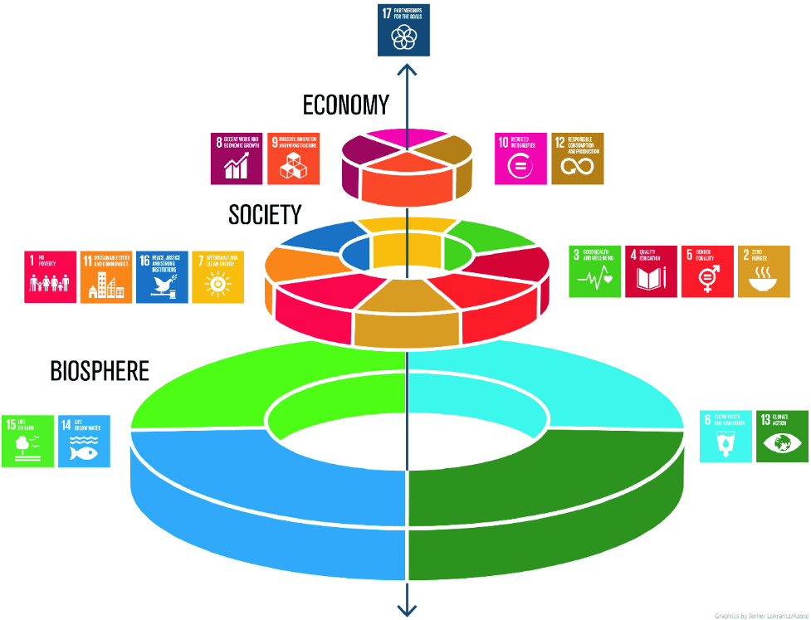

The figure above is often called the wedding cake image of the SDGs. It represents the Environment or Biosphere being the foundation of our society and our natural capital through ecosystem services. The next layer is Social and is unified by the premise of leaving nobody behind and everyone having dignity and equal opportunity. The Economic layer is driven by inclusive growth within safe operating parameters. The pinnacle expresses the partnerships needed to advance the SDG targets such as between private and public sectors or the global north and south.

