Compare Single Module
Map Your Module to the 17 Sustainable Development Goals (SDGs)

Use this self-evaluation tool to examine SDGs coverage in your current modules.
Directions:
A - Look through the list of SDG in the table below and pick the SDG that most aligns with your module content. Click on any of the goals to launch a detailed description in your browser which includes specific SDG Targets.
B - Enter a score between 0 to 5 in the blue shaded area of the table below where:
0 = no coverage
1 = SDGs indirectly or inadvertently covered
2 = insight into the SDG presented from the perspective of one's discipline
3 = at least one SDG Target presented with a holistic transdisciplinary approach
4 = assessment of SDG knowledge in relation to module and/or programme Learning Outcomes
5 = Action Oriented Pedagogies (see URL below*) related to SDGs and/or Community Outreach
* http://www.unesco.org/archives/multimedia/document-2591
C - Now you can move to other SDGs which might receive secondary attention, then score as in step B
D - View your spiky radar graphs below. The first graph displays all 17 SDGs while the second displays your top score in the three SDG pillars.
E - Lastly, consider questions in the reflection box below the graph

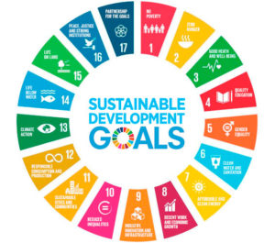
INPUT DATA HERE
Individual SDGs (click link for more info) | SDG Pillar | Score (0-5)
1: No Poverty | Social | 0
2: Zero Hunger | Social | 0
3: Good Health and Well-being | Social | 0
4: Quality Education | Social | 0
5: Gender Equality | Social | 0
6: Clean Water and Sanitation | Environment | 0
7: Affordable and Clean Energy | Social | 0
8: Decent Work and Economic Growth | Economy | 0
9: Industry, Innovation and Infrastructure | Economy | 0
10: Reduced Inequality | Economy | 0
11: Sustainable Cities and Communities | Social | 0
12: Responsible Consumption and Production | Economy | 0
13: Climate Action | Environment | 0
14: Life Below Water | Environment | 0
15: Life on Land | Environment | 0
16: Peace & Justice Strong Institutions | Social | 0
17: Partnerships to achieve SDGs | Social | 0

 | VIEW RESULTS IN THE GRAPHS BELOW
[Click Here to Enter Your Module Name]

THIS DATA TABLE AUTOMATICALLY FILLS
The SDG Pillars | High Score (0-5)
Environment | 0.00
Society | 0.00
Economy | 0.00

[Click Here to Enter Your Module Name]

Reflection on the Tool
1 - Did you identify at least one SDG and/or SDG Target covered in your module? Is that topic introduced in the context of the wider discipline or societial need? How does this relate to your studies and career goals?
2- Do you realize the interconnected nature of the SDGs? Was this this discussed in your module?
3 - Do you cover SDGs from more that one SDG Pillars as displayed in the second graph? Was there a discussion of other disciplines in relation to these SDGs covered? (see figure below)
4 - How might you suggest that your module could cover the SDGs more deeply such as discussions, group projects, assessments, etc?

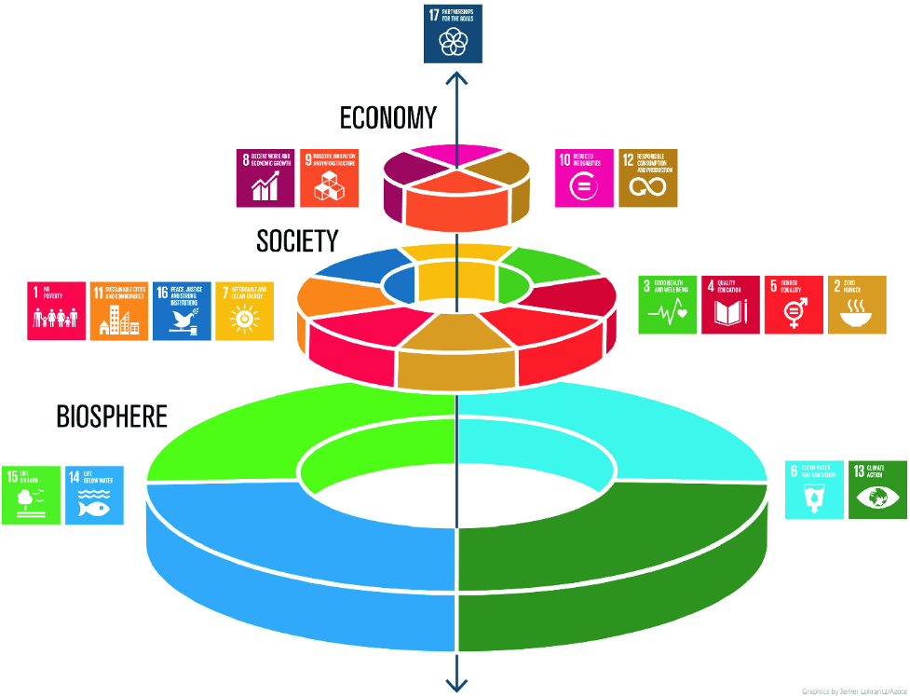

The figure above is often called the wedding cake image of the SDGs. It represents the Environment or Biosphere being the foundation of our society and our natural capital through ecosystem services. The next layer is Social and is unified by the premise of leaving nobody behind and everyone having dignity and equal opportunity. The Economic layer is driven by inclusive growth within safe operating parameters. The pinnacle expresses the partnerships needed to advance the SDG targets such as between private and public sectors or the global north and south.

